Titel
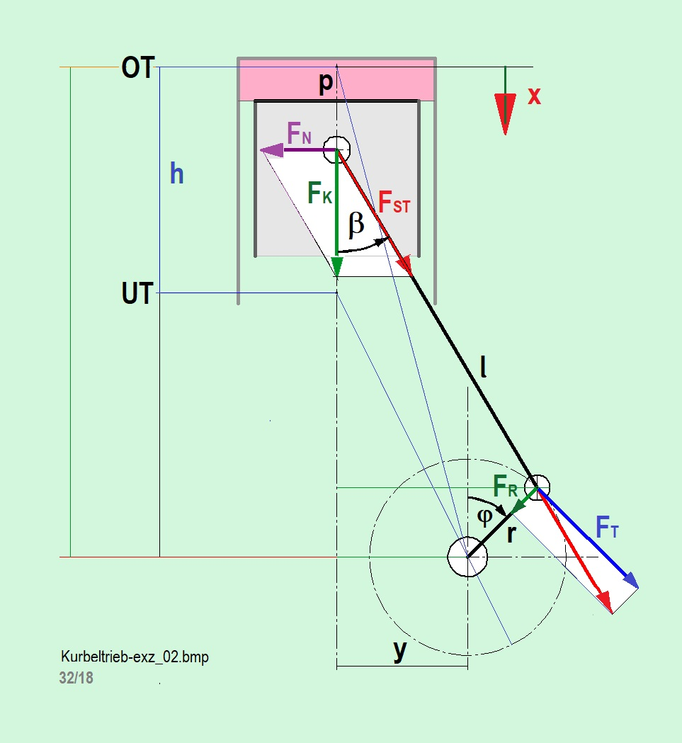
Vergleich der exakten Berechnung der Kinematik und Kinetik eines geschränkten Kurbeltriebes mit der Näherungslösung Siehe: www.jbladt.de/technik/heissluftmotoren-hot-air-engines/wissenswertes-worth-knowing/
Comparison of the exact calculation of the kinematics and kinetics of a offset crank drive with that of the approximate solution. See: www.jbladt.de/technik/heissluftmotoren-hot-air-engines/wissenswertes-worth-knowing/

Formula
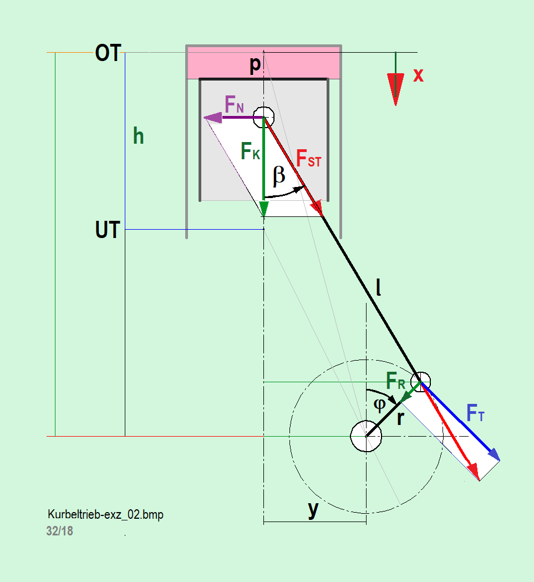
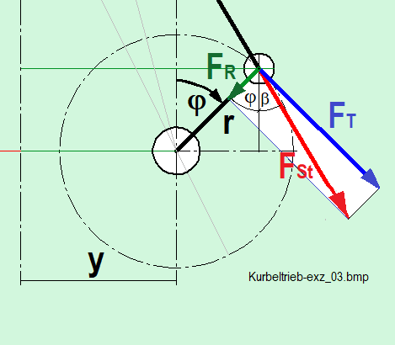
B | Exact equation | dimensionless | with dimension | Approximated equations | dimensionless
$$φ=ω∙t [−]$$
, $e=\frac{y}{r} [−]$
, $λ=\frac{r}{l} [−]$

$$\overline{x}\left(t\right)=\sqrt{{\left(\frac{1}{λ}+1\right)}^{2}−e^{2}} −cosφ−\sqrt{\frac{1}{λ^{2}}−{\left(e+sinφ\right)}^{2}} [−]$$
$x\left(φ\right)=r∙\overline{x}\left(φ\right)$ [m]
$$\overline{x}\left(t\right)=\frac{λ^{2}∙e^{2}}{2∙\left(1+λ\right)} +1 −cosφ+λ∙e∙sinφ+\frac{λ}{4}(1−cos2φ)$$

$$\dot{\overline{x}}\left(t\right)=sinφ+cosφ∙\frac{\left(e+sinφ\right)}{\sqrt{\frac{1}{λ^{2}}−{\left(e+sinφ\right)}^{2}}} [−]$$
$\dot{x}(φ)=r∙ω∙\dot{\overline{x}}\left(t\right)$ [m/s]
$$\dot{\overline{x}}\left(t\right)=sinφ+λ∙e∙cosφ+\frac{λ}{2}∙sin2φ$$

$$\ddot{x}\left(t\right)=\left(cosφ−λ∙\frac{sinφ∙\left(e+sinφ\right)∙\left(1−λ^{2}∙{\left(e+sinφ\right)}^{2}\right)−\cos^{2}φ}{{\left(\sqrt{1−λ^{2}∙{\left(e+sinφ\right)}^{2}}\right)}^{3}}\right) [−]$$
$\ddot{x}(φ)={r∙ω}^{2}∙\ddot{\overline{x}}\left(t\right)$ [m/s²]
$$\ddot{\overline{x}}\left(t\right)=cosφ−λ∙e∙sinφ+λ∙cos2φ$$

$$\overline{OT}=\sqrt{{\left(\frac{1}{λ}+1\right)}^{2}−e^{2}}$$
$$\overline{UT}=\sqrt{{\left(\frac{1}{λ}−1\right)}^{2}−e^{2}}$$
O$T=r∙\overline{OT}$
$$UT=r∙\overline{UT}$$

KInematic-Calc
B |  |  | Berechnung der Kinematik des geschränkten Kurbeltriebes / Calculation of the kinematics of the offset crank drive
under construction
 |  | Vergleich / Comparison
 |  | r [mm] | l [mm] | y [mm] | r [mm] | l [mm] | y [mm] |  |  |  | r [mm] | l [mm] | y [mm] | r [mm] | l [mm] | y [mm]
 | Test → | 20 | 80 | 20 | 20 | 80 | 20 |  |  | Input → | 20 | 80 | 0 | 20 | 80 | 20
 | dim-Less | lambda [-] | e [-] | w [1/s] | lambda [-] | e [-] | w [1/s] |  |  |  | lambda [-] | e [-] | w [1/s] | lambda [-] | e [-] | w [1/s]
 |  | 0.25 | 1 | 500 | 0.25 | 1 | 500 |  |  |  | 0.25 | 0 | 500 | 0.25 | 1 | 500
 |  | OT [-] | UT [-] | h [-] | xOT [mm] | xUT [mm] | h [mm] |  |  |  | OT [-] | UT [-] | h [-] | OT[-] | UT[mm] | h [mm]
 |  | 4.8990 | 2.828 | 2.071 | 4.8990 | 2.828 | 2.071 |  |  |  | 5.0000 | 3.000 | 2.000 | 4.8990 | 2.828 | 2.071
 |  | j(OT) | j(UT) |  | j(OT) | j(UT) |  |  |  |  | j(OT) | j(UT) |  | j(OT) | j(UT)
 |  | -11.537° | 160.529° |  | -11.5370 | 160.529 |  |  |  |  | 0.000° | 180.000° |  | -11.537° | 160.529°
 |  | Näherung mit für Kurbeltrieb üblichen Gleichungen (approximated) |  |  | Exakte Lösung (exactly) |  |  |  |  |  | Zur freien Nutzung (exactly) / For free using |  |  | Zur freien Nutzung (exactly) / For free using
 |  |  | e=0,00 |  |  | e = 1.00 |  |  |  |  |  | e = 0.00 |  |  | e = 1.00
j=wt [rad] | j=wt [-°] | xapp(t,e=1.00) [-] | x'app(t,e=1.00) [-] | x'app(t,e=1.00) [-] | x(t,e=1.00) [-] | x'(t,e=1.00) [-] | x''(t,e=1.00) [-] |  | j=wt [rad] | j=wt [-°] | x(t,e=0.00) [-] | x'(t,e=0.00) [-] | x''(t,e=0.00) [-] | x(t,e=1.00) [-] | x'(t,e=1.00) [-] | x''(t,e=1.00) [-]
0.0000 | 0° | 0.0250 | 0.2500 | 1.2500 | 0.0260 | 0.2582 | 1.2754 |  | 0.0000 | 0° | 0.0000 | 0.0000 | 1.25000 | 0.0260 | 0.2582 | 1.2754
0.2618 | 15° | 0.1072 | 0.5628 | 1.1177 | 0.1363 | 0.5791 | 1.1529 |  | 0.2618 | 15° | 0.0425 | 0.3215 | 1.18387 | 0.1363 | 0.5791 | 1.1529
0.5236 | 30° | 0.3152 | 0.8248 | 0.8660 | 0.3249 | 0.8503 | 0.8991 |  | 0.5236 | 30° | 0.1653 | 0.6091 | 0.99501 | 0.3249 | 0.8503 | 0.8991
0.7854 | 45° | 0.5572 | 1.0089 | 0.5303 | 0.5744 | 1.0408 | 0.5424 |  | 0.7854 | 45° | 0.3559 | 0.8341 | 0.71120 | 0.5744 | 1.0408 | 0.5424
1.0472 | 60° | 0.8353 | 1.0993 | 0.1585 | 0.8609 | 1.1297 | 0.1336 |  | 1.0472 | 60° | 0.5949 | 0.9769 | 0.37511 | 0.8609 | 1.1297 | 0.1336
1.3090 | 75° | 1.1243 | 1.0931 | -0.1992 | 1.1566 | 1.1120 | -0.2609 |  | 1.3090 | 75° | 0.8596 | 1.0303 | 0.03678 | 1.1566 | 1.1120 | -0.2609
1.5708 | 90° | 1.4000 | 1.0000 | -0.5000 | 1.4349 | 1.0000 | -0.5774 |  | 1.5708 | 90° | 1.1270 | 1.0000 | -0.25820 | 1.4349 | 1.0000 | -0.5774
1.8326 | 105° | 1.6419 | 0.8387 | -0.7168 | 1.6742 | 0.8199 | -0.7786 |  | 1.8326 | 105° | 1.3772 | 0.9015 | -0.48086 | 1.6742 | 0.8199 | -0.7786
2.0944 | 120° | 1.8353 | 0.6328 | -0.8415 | 1.8609 | 0.6023 | -0.8664 |  | 2.0944 | 120° | 1.5949 | 0.7551 | -0.62489 | 1.8609 | 0.6023 | -0.8664
2.3562 | 135° | 1.9714 | 0.4053 | -0.8839 | 1.9887 | 0.3734 | -0.8718 |  | 2.3562 | 135° | 1.7701 | 0.5801 | -0.70301 | 1.9887 | 0.3734 | -0.8718
2.6180 | 150° | 2.0473 | 0.1752 | -0.8660 | 2.0569 | 0.1497 | -0.8329 |  | 2.6180 | 150° | 1.8974 | 0.3909 | -0.73704 | 2.0569 | 0.1497 | -0.8329
2.8798 | 165° | 2.0640 | -0.0452 | -0.8141 | 2.0681 | -0.0614 | -0.7790 |  | 2.8798 | 165° | 1.9743 | 0.1962 | -0.74798 | 2.0681 | -0.0614 | -0.7790
3.1416 | 180° | 2.0250 | -0.2500 | -0.7500 | 2.0260 | -0.2582 | -0.7246 |  | 3.1416 | 180° | 2.0000 | 0.0000 | -0.75000 | 2.0260 | -0.2582 | -0.7246
3.4034 | 195° | 1.9346 | -0.4378 | -0.6847 | 1.9342 | -0.4410 | -0.6713 |  | 3.4034 | 195° | 1.9743 | -0.1962 | -0.74798 | 1.9342 | -0.4410 | -0.6713
3.6652 | 210° | 1.7973 | -0.6083 | -0.6160 | 1.7964 | -0.6091 | -0.6110 |  | 3.6652 | 210° | 1.8974 | -0.3909 | -0.73704 | 1.7964 | -0.6091 | -0.6110
3.9270 | 225° | 1.6178 | -0.7589 | -0.5303 | 1.6168 | -0.7590 | -0.5292 |  | 3.9270 | 225° | 1.7701 | -0.5801 | -0.70301 | 1.6168 | -0.7590 | -0.5292
4.1888 | 240° | 1.4022 | -0.8828 | -0.4085 | 1.4012 | -0.8828 | -0.4084 |  | 4.1888 | 240° | 1.5949 | -0.7551 | -0.62489 | 1.4012 | -0.8828 | -0.4084
4.4506 | 255° | 1.1590 | -0.9681 | -0.2338 | 1.1579 | -0.9681 | -0.2338 |  | 4.4506 | 255° | 1.3772 | -0.9015 | -0.48086 | 1.1579 | -0.9681 | -0.2338
4.7124 | 270° | 0.9000 | -1.0000 | 0.0000 | 0.8990 | -1.0000 | 0.0000 |  | 4.7124 | 270° | 1.1270 | -1.0000 | -0.25820 | 0.8990 | -1.0000 | 0.0000
4.9742 | 285° | 0.6413 | -0.9637 | 0.2838 | 0.6403 | -0.9637 | 0.2838 |  | 4.9742 | 285° | 0.8596 | -1.0303 | 0.03678 | 0.6403 | -0.9637 | 0.2838
5.2360 | 300° | 0.4022 | -0.8493 | 0.5915 | 0.4012 | -0.8493 | 0.5916 |  | 5.2360 | 300° | 0.5949 | -0.9769 | 0.37511 | 0.4012 | -0.8493 | 0.5916
5.4978 | 315° | 0.2036 | -0.6553 | 0.8839 | 0.2026 | -0.6552 | 0.8850 |  | 5.4978 | 315° | 0.3559 | -0.8341 | 0.71120 | 0.2026 | -0.6552 | 0.8850
5.7596 | 330° | 0.0652 | -0.3917 | 1.1160 | 0.0643 | -0.3909 | 1.1210 |  | 5.7596 | 330° | 0.1653 | -0.6091 | 0.99501 | 0.0643 | -0.3909 | 1.1210
6.0214 | 345° | 0.0027 | -0.0798 | 1.2471 | 0.0023 | -0.0767 | 1.2605 |  | 6.0214 | 345° | 0.0425 | -0.3215 | 1.18387 | 0.0023 | -0.0767 | 1.2605
6.2832 | 360° | 0.0250 | 0.2500 | 1.2500 | 0.0260 | 0.2582 | 1.2754 |  | 6.2832 | 360° | 0.0000 | 0.0000 | 1.25000 | 0.0260 | 0.2582 | 1.2754
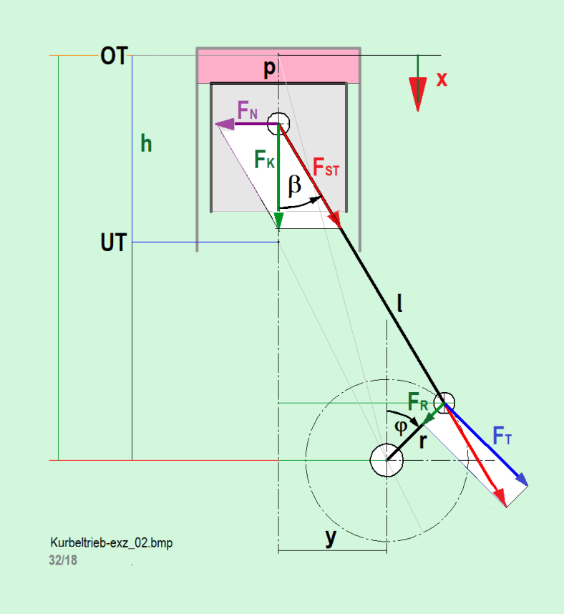
 |  | 2.0613 |  |  | 2.0658 |  |  |  |  |  | 2.0000 |  |  | 2.0658

 |  |  |  | Siehe / look: | www.jbladt.de/technik/sonstiges-miscellaneous/ |  |  | : geschränkter Kurbeltrieb / Offset crank drive

Forces-Calc
Test-Kräfte / Forces
$$φ=ω∙t$$
 |  | r [mm] | l [mm] | y [mm]
 | Input → | 20 | 80 | 0
 |  | lambda [-] | e [-] | w [1/s]
 | dim.-less | 0.25 | 0 | 1
 | .-. | OT [-] | UT [-] | h [-]
 | .-. | 5.000 | 3.000 | 2.000
 |  | j(OT) | j(UT)
 |  | 0.0° | 180.0°
 |  | Zur freien Nutzung / free for use / exactly |  |  | ↓ |  |  |  |  |  | ≙
$x\left(φ\right)=r∙\overline{x}\left(φ\right)$ [m]
 |  |  | e = 0.00 |  | FK=p·A /(|p|max·A) |  |  |  |  | r/r=1 | Power-Check = | .= Power-Check
j=wt [rad] | j=wt [-°] | x(t,e=0.00) [-] | x'(t,e=0.00) [-] | x''(t,e=0.00) [-] | FK [-] | FN [-] | FSt [-] | FR [-] | FT [-] | MT=FT·r/r [-] | PK =FK·x' [-] | PT ·w [-] | Dimensionlos
$\dot{x}(φ)=r∙ω∙\dot{\overline{x}}\left(t\right)$ [m/s]
0.0000 | 0° | 0.0000 | 0.0000 | 1.25000 | 0.5000 | 0.0000 | 0.5000 | 0.5000 | 0.0000 | 0.0000 | 0.0000 | 0.0000
$$\ddot{x}(φ)=ω^{2}∙\ddot{\overline{x}}\left(t\right)$$
0.2618 | 15° | 0.0425 | 0.3215 | 1.18387 | 0.6294 | 0.06484 | 0.63976 | 0.5972 | 0.2023 | 0.2023 | 0.2023 | 0.2023
0.5236 | 30° | 0.1653 | 0.6091 | 0.99501 | 0.7500 | 0.12599 | 0.77419 | 0.6011 | 0.4568 | 0.4568 | 0.4568 | 0.4568
$${\overline{x}}_{OT}=\sqrt{{\left(\frac{1}{λ}+1\right)}^{2}−e^{2}}$$
0.7854 | 45° | 0.3559 | 0.8341 | 0.71120 | 0.8536 | 0.17961 | 0.89302 | 0.4919 | 0.7120 | 0.7120 | 0.7120 | 0.7120
1.0472 | 60° | 0.5949 | 0.9769 | 0.37511 | 0.9330 | 0.22177 | 0.98640 | 0.2816 | 0.9115 | 0.9115 | 0.9115 | 0.9115
1.3090 | 75° | 0.8596 | 1.0303 | 0.03678 | 0.9830 | 0.24885 | 1.04612 | 0.0104 | 1.0128 | 1.0128 | 1.0128 | 1.0128
1.5708 | 90° | 1.1270 | 1.0000 | -0.25820 | 1.0000 | 0.25820 | 1.06667 | -0.2667 | 1.0000 | 1.0000 | 1.0000 | 1.0000
1.8326 | 105° | 1.3772 | 0.9015 | -0.48086 | 0.9830 | 0.24885 | 1.04612 | -0.4984 | 0.8862 | 0.8862 | 0.8862 | 0.8862
2.0944 | 120° | 1.5949 | 0.7551 | -0.62489 | 0.9330 | 0.22177 | 0.98640 | -0.6515 | 0.7046 | 0.7046 | 0.7046 | 0.7046
2.3562 | 135° | 1.7701 | 0.5801 | -0.70301 | 0.8536 | 0.17961 | 0.89302 | -0.7152 | 0.4952 | 0.4952 | 0.4952 | 0.4952
2.6180 | 150° | 1.8974 | 0.3909 | -0.73704 | 0.7500 | 0.12599 | 0.77419 | -0.6979 | 0.2932 | 0.2932 | 0.2932 | 0.2932
2.8798 | 165° | 1.9743 | 0.1962 | -0.74798 | 0.6294 | 0.06484 | 0.63976 | -0.6187 | 0.1235 | 0.1235 | 0.1235 | 0.1235
3.1416 | 180° | 2.0000 | 0.0000 | -0.75000 | 0.5000 | 0.00000 | 0.50000 | -0.5000 | 0.0000 | 0.0000 | 0.0000 | 0.0000
3.4034 | 195° | 1.9743 | -0.1962 | -0.74798 | 0.3706 | -0.06484 | 0.37668 | -0.3643 | -0.0727 | -0.0727 | -0.0727 | -0.0727
3.6652 | 210° | 1.8974 | -0.3909 | -0.73704 | 0.2500 | -0.12599 | 0.25806 | -0.2326 | -0.0977 | -0.0977 | -0.0977 | -0.0977
3.9270 | 225° | 1.7701 | -0.5801 | -0.70301 | 0.1464 | -0.17961 | 0.15322 | -0.1227 | -0.0850 | -0.0850 | -0.0850 | -0.0850
4.1888 | 240° | 1.5949 | -0.7551 | -0.62489 | 0.0670 | -0.22177 | 0.07082 | -0.0468 | -0.0506 | -0.0506 | -0.0506 | -0.0506
4.4506 | 255° | 1.3772 | -0.9015 | -0.48086 | 0.0170 | -0.24885 | 0.01813 | -0.0086 | -0.0154 | -0.0154 | -0.0154 | -0.0154
4.7124 | 270° | 1.1270 | -1.0000 | -0.25820 | 0.0000 | -0.25820 | 0.00000 | 0.0000 | 0.0000 | 0.0000 | 0.0000 | 0.0000
4.9742 | 285° | 0.8596 | -1.0303 | 0.03678 | 0.0170 | -0.24885 | 0.01813 | 0.0002 | -0.0176 | -0.0176 | -0.0176 | -0.0176
5.2360 | 300° | 0.5949 | -0.9769 | 0.37511 | 0.0670 | -0.22177 | 0.07082 | 0.0202 | -0.0654 | -0.0654 | -0.0654 | -0.0654
5.4978 | 315° | 0.3559 | -0.8341 | 0.71120 | 0.1464 | -0.17961 | 0.15322 | 0.0844 | -0.1222 | -0.1222 | -0.1222 | -0.1222
5.7596 | 330° | 0.1653 | -0.6091 | 0.99501 | 0.2500 | -0.12599 | 0.25806 | 0.2004 | -0.1523 | -0.1523 | -0.1523 | -0.1523
6.0214 | 345° | 0.0425 | -0.3215 | 1.18387 | 0.3706 | -0.06484 | 0.37668 | 0.3517 | -0.1191 | -0.1191 | -0.1191 | -0.1191
6.2832 | 360° | 0.0000 | 0.0000 | 1.25000 | 0.5000 | 0.00000 | 0.50000 | 0.5000 | 0.00000 | 0.0000 | 0.0000 | 0.0000
 | #REF! | #REF! | #REF! | #REF! | #REF! | #REF!
 | 1 | 1 | 1 | 1 | 1 | 1
 | x(t,e=0,00) [-] | x'(t,e=0,00) [-] | x''(t,e=0,00) [-] | #REF! | #REF! | #REF!
0° | 0.0000 | 0.0000 | 1.25000 | 1 | 1 | 1
15° | 0.0425 | 0.3215 | 1.18387
30° | 0.1653 | 0.6091 | 0.99501
45° | 0.3559 | 0.8341 | 0.71120
60° | 0.5949 | 0.9769 | 0.37511
75° | 0.8596 | 1.0303 | 0.03678
90° | 1.1270 | 1.0000 | -0.25820
105° | 1.3772 | 0.9015 | -0.48086
120° | 1.5949 | 0.7551 | -0.62489
135° | 1.7701 | 0.5801 | -0.70301
150° | 1.8974 | 0.3909 | -0.73704
165° | 1.9743 | 0.1962 | -0.74798
180° | 2.0000 | 0.0000 | -0.75000
195° | 1.9743 | -0.1962 | -0.74798
210° | 1.8974 | -0.3909 | -0.73704
225° | 1.7701 | -0.5801 | -0.70301
240° | 1.5949 | -0.7551 | -0.62489
255° | 1.3772 | -0.9015 | -0.48086
270° | 1.1270 | -1.0000 | -0.25820
285° | 0.8596 | -1.0303 | 0.03678
300° | 0.5949 | -0.9769 | 0.37511
315° | 0.3559 | -0.8341 | 0.71120
330° | 0.1653 | -0.6091 | 0.99501
345° | 0.0425 | -0.3215 | 1.18387
360° | 0.0000 | 0.0000 | 1.25000

 |  |  |  |  |  |  |  |  |  |  | Power = | .= Power

