Calculation
B |  |  | Berechnung der Kinematik des geschränkten Kurbeltriebes / Calculation of the kinematics of the offset crank drive
under construction
 |  | Vergleich / Comparison
 |  | r [mm] | l [mm] | y [mm] | r [mm] | l [mm] | y [mm] |  |  |  | r [mm] | l [mm] | y [mm] | r [mm] | l [mm] | y [mm]
 | Test → | 20 | 80 | 20 | 20 | 80 | 20 |  |  | Input → | 20 | 80 | 0 | 20 | 80 | 20
 |  | lambda [-] | e [-] | w [1/s] | lambda [-] | e [-] | w [1/s] |  |  |  | lambda [-] | e [-] | w [1/s] | lambda [-] | e [-] | w [1/s]
 |  | 0.25 | 1 | 500 | 0.25 | 1 | 500 |  |  |  | 0.25 | 0 | 500 | 0.25 | 1 | 500
 |  | OT [-] | UT [-] | h [-] | xOT [mm] | xUT [mm] | h [mm] |  |  |  | OT [-] | UT [-] | h [-] | OT[-] | UT[mm] | h [mm]
 |  | 4.8990 | 2.828 | 2.071 | 4.8990 | 2.828 | 2.071 |  |  |  | 5.0000 | 3.000 | 2.000 | 4.8990 | 2.828 | 2.071
 |  | j(OT) | j(UT) |  | j(OT) | j(UT) |  |  |  |  | j(OT) | j(UT) |  | j(OT) | j(UT)
 |  | -11.537° | 160.529° |  | -11.5370 | 160.529 |  |  |  |  | 0.000° | 180.000° |  | -11.537° | 160.529°
 |  | Näherung mit für Kurbeltrieb üblichen Gleichungen (approximated) |  |  | Exakte Lösung (exactly) |  |  |  |  |  | Zur freien Nutzung (exactly) / For free using |  |  | Zur freien Nutzung (exactly) / For free using
 |  |  | e=0,00 |  |  | e = 1.00 |  |  |  |  |  | e = 0.00 |  |  | e = 1.00
j=wt [rad] | j=wt [-°] | xapp(t,e=1.00) [-] | x'app(t,e=1.00) [-] | x'app(t,e=1.00) [-] | x(t,e=1.00) [-] | x'(t,e=1.00) [-] | x''(t,e=1.00) [-] |  | j=wt [rad] | j=wt [-°] | x(t,e=0.00) [-] | x'(t,e=0.00) [-] | x''(t,e=0.00) [-] | x(t,e=1.00) [-] | x'(t,e=1.00) [-] | x''(t,e=1.00) [-]
0.0000 | 0° | 0.0250 | 0.2500 | 1.2500 | 0.0260 | 0.2582 | 1.2754 |  | 0.0000 | 0° | 0.0000 | 0.0000 | 1.25000 | 0.0260 | 0.2582 | 1.2754
0.2618 | 15° | 0.1322 | 0.5628 | 1.1177 | 0.1363 | 0.5791 | 1.1529 |  | 0.2618 | 15° | 0.0425 | 0.3215 | 1.18387 | 0.1363 | 0.5791 | 1.1529
0.5236 | 30° | 0.3152 | 0.8248 | 0.8660 | 0.3249 | 0.8503 | 0.8991 |  | 0.5236 | 30° | 0.1653 | 0.6091 | 0.99501 | 0.3249 | 0.8503 | 0.8991
0.7854 | 45° | 0.5572 | 1.0089 | 0.5303 | 0.5744 | 1.0408 | 0.5424 |  | 0.7854 | 45° | 0.3559 | 0.8341 | 0.71120 | 0.5744 | 1.0408 | 0.5424
1.0472 | 60° | 0.8353 | 1.0993 | 0.1585 | 0.8609 | 1.1297 | 0.1336 |  | 1.0472 | 60° | 0.5949 | 0.9769 | 0.37511 | 0.8609 | 1.1297 | 0.1336
1.3090 | 75° | 1.1243 | 1.0931 | -0.1992 | 1.1566 | 1.1120 | -0.2609 |  | 1.3090 | 75° | 0.8596 | 1.0303 | 0.03678 | 1.1566 | 1.1120 | -0.2609
1.5708 | 90° | 1.4000 | 1.0000 | -0.5000 | 1.4349 | 1.0000 | -0.5774 |  | 1.5708 | 90° | 1.1270 | 1.0000 | -0.25820 | 1.4349 | 1.0000 | -0.5774
1.8326 | 105° | 1.6419 | 0.8387 | -0.7168 | 1.6742 | 0.8199 | -0.7786 |  | 1.8326 | 105° | 1.3772 | 0.9015 | -0.48086 | 1.6742 | 0.8199 | -0.7786
2.0944 | 120° | 1.8353 | 0.6328 | -0.8415 | 1.8609 | 0.6023 | -0.8664 |  | 2.0944 | 120° | 1.5949 | 0.7551 | -0.62489 | 1.8609 | 0.6023 | -0.8664
2.3562 | 135° | 1.9714 | 0.4053 | -0.8839 | 1.9887 | 0.3734 | -0.8718 |  | 2.3562 | 135° | 1.7701 | 0.5801 | -0.70301 | 1.9887 | 0.3734 | -0.8718
2.6180 | 150° | 2.0473 | 0.1752 | -0.8660 | 2.0569 | 0.1497 | -0.8329 |  | 2.6180 | 150° | 1.8974 | 0.3909 | -0.73704 | 2.0569 | 0.1497 | -0.8329
2.8798 | 165° | 2.0640 | -0.0452 | -0.8141 | 2.0681 | -0.0614 | -0.7790 |  | 2.8798 | 165° | 1.9743 | 0.1962 | -0.74798 | 2.0681 | -0.0614 | -0.7790
3.1416 | 180° | 2.0250 | -0.2500 | -0.7500 | 2.0260 | -0.2582 | -0.7246 |  | 3.1416 | 180° | 2.0000 | 0.0000 | -0.75000 | 2.0260 | -0.2582 | -0.7246
3.4034 | 195° | 1.9346 | -0.4378 | -0.6847 | 1.9342 | -0.4410 | -0.6713 |  | 3.4034 | 195° | 1.9743 | -0.1962 | -0.74798 | 1.9342 | -0.4410 | -0.6713
3.6652 | 210° | 1.7973 | -0.6083 | -0.6160 | 1.7964 | -0.6091 | -0.6110 |  | 3.6652 | 210° | 1.8974 | -0.3909 | -0.73704 | 1.7964 | -0.6091 | -0.6110
3.9270 | 225° | 1.6178 | -0.7589 | -0.5303 | 1.6168 | -0.7590 | -0.5292 |  | 3.9270 | 225° | 1.7701 | -0.5801 | -0.70301 | 1.6168 | -0.7590 | -0.5292
4.1888 | 240° | 1.4022 | -0.8828 | -0.4085 | 1.4012 | -0.8828 | -0.4084 |  | 4.1888 | 240° | 1.5949 | -0.7551 | -0.62489 | 1.4012 | -0.8828 | -0.4084
4.4506 | 255° | 1.1590 | -0.9681 | -0.2338 | 1.1579 | -0.9681 | -0.2338 |  | 4.4506 | 255° | 1.3772 | -0.9015 | -0.48086 | 1.1579 | -0.9681 | -0.2338
4.7124 | 270° | 0.9000 | -1.0000 | 0.0000 | 0.8990 | -1.0000 | 0.0000 |  | 4.7124 | 270° | 1.1270 | -1.0000 | -0.25820 | 0.8990 | -1.0000 | 0.0000
4.9742 | 285° | 0.6413 | -0.9637 | 0.2838 | 0.6403 | -0.9637 | 0.2838 |  | 4.9742 | 285° | 0.8596 | -1.0303 | 0.03678 | 0.6403 | -0.9637 | 0.2838
5.2360 | 300° | 0.4022 | -0.8493 | 0.5915 | 0.4012 | -0.8493 | 0.5916 |  | 5.2360 | 300° | 0.5949 | -0.9769 | 0.37511 | 0.4012 | -0.8493 | 0.5916
5.4978 | 315° | 0.2036 | -0.6553 | 0.8839 | 0.2026 | -0.6552 | 0.8850 |  | 5.4978 | 315° | 0.3559 | -0.8341 | 0.71120 | 0.2026 | -0.6552 | 0.8850
5.7596 | 330° | 0.0652 | -0.3917 | 1.1160 | 0.0643 | -0.3909 | 1.1210 |  | 5.7596 | 330° | 0.1653 | -0.6091 | 0.99501 | 0.0643 | -0.3909 | 1.1210
6.0214 | 345° | 0.0027 | -0.0798 | 1.2471 | 0.0023 | -0.0767 | 1.2605 |  | 6.0214 | 345° | 0.0425 | -0.3215 | 1.18387 | 0.0023 | -0.0767 | 1.2605
6.2832 | 360° | 0.0250 | 0.2500 | 1.2500 | 0.0260 | 0.2582 | 1.2754 |  | 6.2832 | 360° | 0.0000 | 0.0000 | 1.25000 | 0.0260 | 0.2582 | 1.2754
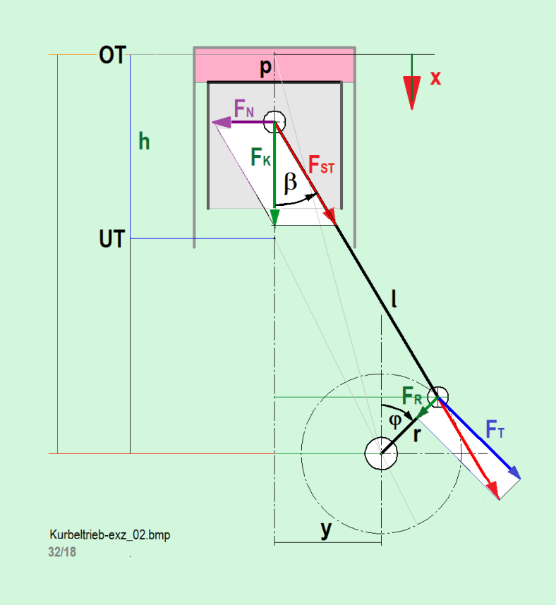
 |  | 2.0613 |  |  | 2.0658 |  |  |  |  |  | 2.0000 |  |  | 2.0658

 |  |  |  | Siehe / look: | www.jbladt.de/technik/sonstiges-miscellaneous/ |  |  | : geschränkter Kurbeltrieb / Offset crank drive

Formula
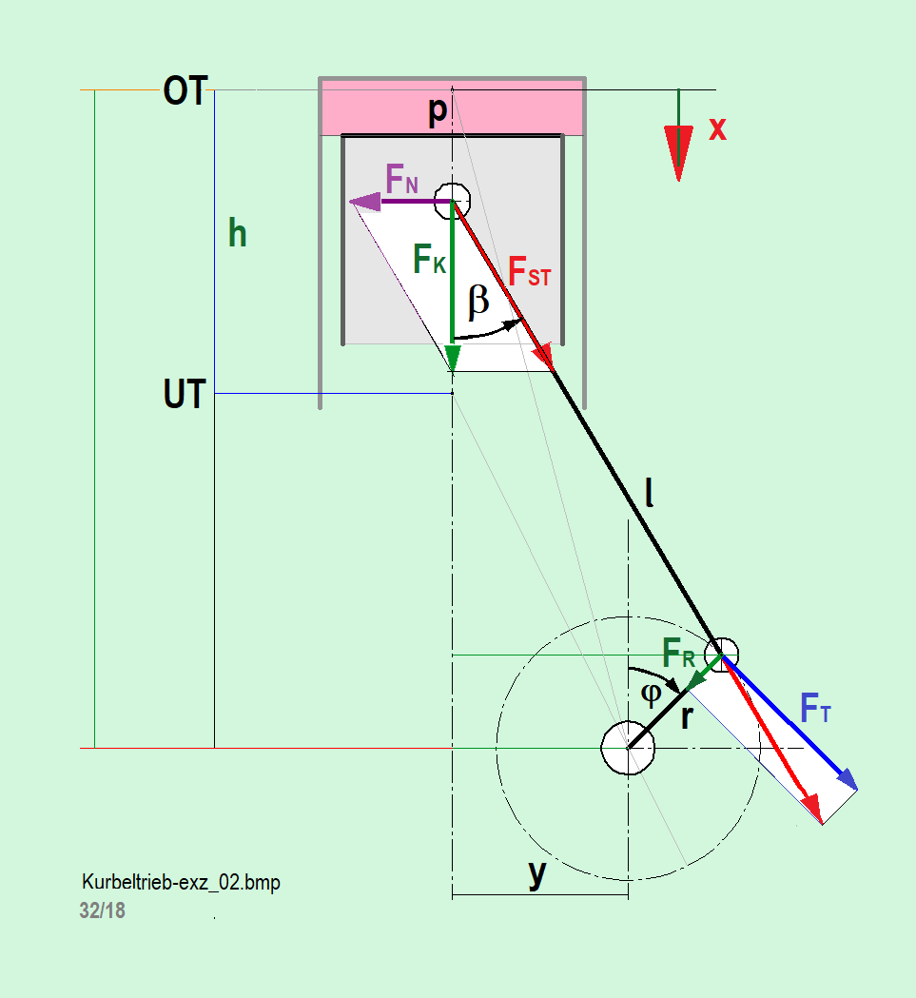
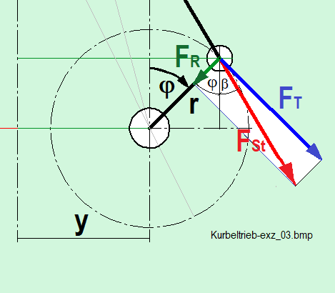
B | Exact equation | dimensionless | with dimension | Approximated equations | dimensionless
$$φ=ω∙t$$

$$\overline{x}\left(t\right)=\sqrt{{\left(\frac{1}{λ}+1\right)}^{2}−e^{2}} −cosφ−\sqrt{\frac{1}{λ^{2}}−{\left(e+sinφ\right)}^{2}} [−]$$
$x\left(φ\right)=r∙\overline{x}\left(φ\right)$ [m]
$$\overline{x}\left(t\right)=\frac{λ^{2}∙e^{2}}{2∙\left(1+λ\right)} +1 −cosφ+λ∙e∙sinφ+\frac{λ}{4}(1−cos2φ)$$

$$\dot{\overline{x}}\left(t\right)=sinφ+cosφ∙\frac{\left(e+sinφ\right)}{\sqrt{\frac{1}{λ^{2}}−{\left(e+sinφ\right)}^{2}}} [−]$$
$\dot{x}(φ)=r∙ω∙\dot{\overline{x}}\left(t\right)$ [m/s]
$$\dot{\overline{x}}\left(t\right)=sinφ+λ∙e∙cosφ+\frac{λ}{2}∙sin2φ$$

$$\ddot{x}\left(t\right)=\left(cosφ−λ∙\frac{sinφ∙\left(e+sinφ\right)∙\left(1−λ^{2}∙{\left(e+sinφ\right)}^{2}\right)−\cos^{2}φ}{{\left(\sqrt{1−λ^{2}∙{\left(e+sinφ\right)}^{2}}\right)}^{3}}\right) [−]$$
$\ddot{x}(φ)={r∙ω}^{2}∙\ddot{\overline{x}}\left(t\right)$ [m/s²]
$$\ddot{\overline{x}}\left(t\right)=cosφ−λ∙e∙sinφ+λ∙cos2φ$$

$$\overline{OT}=\sqrt{{\left(\frac{1}{λ}+1\right)}^{2}−e^{2}}$$
$$\overline{UT}=\sqrt{{\left(\frac{1}{λ}−1\right)}^{2}−e^{2}}$$
O$T=r∙\overline{OT}$
$$UT=r∙\overline{UT}$$

